Results
Energy Consumption [MJ/bike]

Result Summary:
 |  | Energy Consumption [MJ/bike] | Aluminium Frame | Percentages [%] | Carbon Fiber Frame | Percentages [%]
 |  | Raw Material Extruction | 408.7382 | 50.14 | 550.94 | 88.49
 |  | Manufacturing | 298.799 | 36.65 | 49.88 | 8.01
 |  | Use Phase | 0 | 0.00 | 0 | 0.00
 |  | EoL | 88.8 | 10.89 | 15.02 | 2.41
 |  | Transportation | 18.892 | 2.32 | 6.79 | 1.09
 |  | Total | 815.2292 | 100 | 622.63 | 100

GWP [kg CO2 eq/bike]
 |  | GWP [kg CO2/bike] | Aluminium Frame | Percentages [%] | Carbon Fiber Frame | Percentages [%]
 |  | Raw Material Extruction | 65.398 | 51.42 | 74.29 | 87.04
 |  | Manufacturing | 53.781 | 42.29 | 8.50 | 9.95
 |  | Use Phase | 0 | 0.00 | 0 | 0.00
 |  | EoL | 6.216 | 4.89 | 1.93 | 2.26
 |  | Transportation | 1.782 | 1.40 | 0.64 | 0.75
 |  | Total: | 127.177 | 100 | 85.36 | 100

Net energy consumed by Aluminium Vs Carbon Fiber Bike Frame (MJ /bikeframe)
 | DALY | Characterization factor | 1.13E-08 | DALY/kg CO2
 |  | Al | CF
 | CO2 eq | 127.177 | 85.355685116 | kg CO2
 | DALY | 1.44E-06 | 9.65E-07 | DALY
 |  |  | Aluminium | 464.2645
 |  |  | Carbon Fiber | 622.63
 |  |  |  | Kg Co2 eq
 |  |  | Aluminium | 102.609
 |  |  | Carbon Fiber | 85.36

Net CO2 eq Emissions by Aluminium Vs Carbon Fiber Bike Frame (kg CO2 eq/bike frame)

Shipping Al
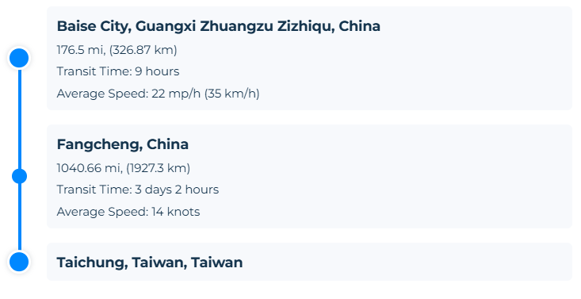
Shipping
 | China--> Taiwan

 | Taiwan to netherlands
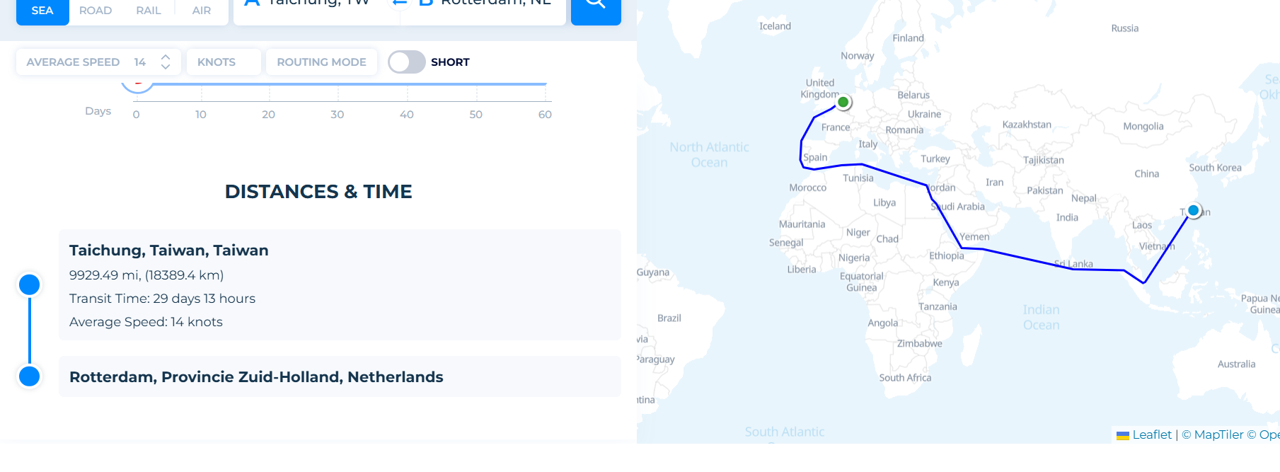

 |  | 0

